Convexity
Bond Investments. Changes in Bond Price with Modified Duration and Convexity

 | Convexity Inputs |  |  | Convexity Outputs
annual coupon rate (%) | 8% |  | Modified Duration | 11.258 | =MDURATION(DATE(2000,1,1),DATE(2030,1,1),C5,C8,1)
par ($) | 100 |  | Price Change with MD only (%) | -22.52% | =-F5*(C11-C8)
coupon $) | 8 |  | new Price with MD only ($) | 77.48 | =C10*(1+F6)
YTM (%) | 8% |  | Convexity: | 212.433 | =F44/(D44*((1+C8)^2))
maturity (years) | 30 |  | Using formula: | 212.433
price ($) | 100 |  | Price Change with Convexity (%) | -18.27% | =-F5*(C11-C8)+1/2*F8*(C11-C8)^2
YTM increased to | 10% |  | new Price with Convexity ($) | 81.733 | =C10*(1+F10)

Time (t) | Cash flow | PV(CF) | t^2+t | PV(CF)x(t^2+t)
1 | 8.00 | 7.41 | 2.00 | 14.81 | =$C$7 | =C14/((1+$C$8))^B14 | =B14^2+B14 | =E14*D14
2 | 8.00 | 6.86 | 6.00 | 41.15
3 | 8.00 | 6.35 | 12.00 | 76.21
4 | 8.00 | 5.88 | 20.00 | 117.60
5 | 8.00 | 5.44 | 30.00 | 163.34
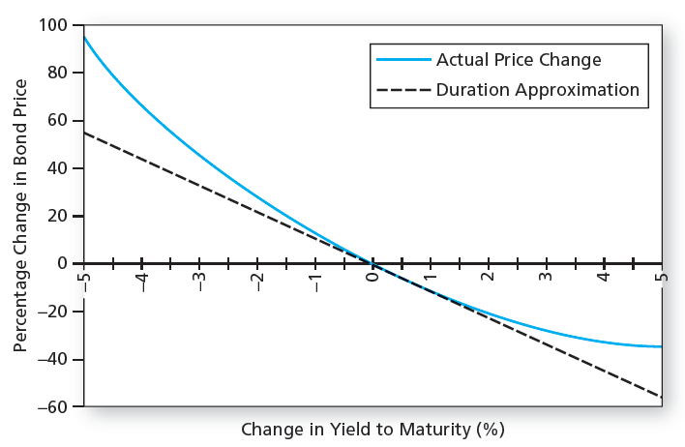
6 | 8.00 | 5.04 | 42.00 | 211.74
7 | 8.00 | 4.67 | 56.00 | 261.40
8 | 8.00 | 4.32 | 72.00 | 311.19
9 | 8.00 | 4.00 | 90.00 | 360.18
10 | 8.00 | 3.71 | 110.00 | 407.61
11 | 8.00 | 3.43 | 132.00 | 452.90
12 | 8.00 | 3.18 | 156.00 | 495.60
13 | 8.00 | 2.94 | 182.00 | 535.37
14 | 8.00 | 2.72 | 210.00 | 571.97
15 | 8.00 | 2.52 | 240.00 | 605.26
16 | 8.00 | 2.34 | 272.00 | 635.15
17 | 8.00 | 2.16 | 306.00 | 661.62
18 | 8.00 | 2.00 | 342.00 | 684.68
19 | 8.00 | 1.85 | 380.00 | 704.40
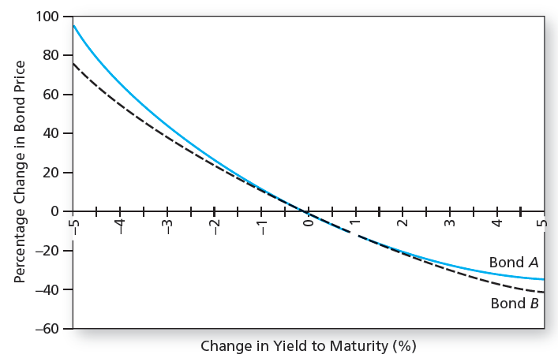
20 | 8.00 | 1.72 | 420.00 | 720.88
21 | 8.00 | 1.59 | 462.00 | 734.23
22 | 8.00 | 1.47 | 506.00 | 744.59
23 | 8.00 | 1.36 | 552.00 | 752.11
24 | 8.00 | 1.26 | 600.00 | 756.96
25 | 8.00 | 1.17 | 650.00 | 759.29
26 | 8.00 | 1.08 | 702.00 | 759.29
27 | 8.00 | 1.00 | 756.00 | 757.13
28 | 8.00 | 0.93 | 812.00 | 752.98
29 | 8.00 | 0.86 | 870.00 | 747.00
30 | 108.00 | 10.73 | 930.00 | 9,981.46
 | Sum: | 100.00 |  | 24,778.13
 |  |  |  | source: Fabozzi: Bond Markets, Analysis and Strategies , 3rd ed, Eqn 4.22 (pages 69-70)

